BARU CREW LIST 19 UPDATE
CREW LIST
MT. GAS NURI ARIZONA / PNKR

 | SHIP'S NAME/CALL SIGN : GAS NURI ARIZONA /PNKR |  |  |  |  |  |  |  |  |  |  | PORT : CIREBON
 | FLAG/ PORT OF REGISTER : INDONESIA /JAKARTA |  |  |  |  |  |  |  |  |  |  | LAST PORT : TG. SEKONG
 | GRT /NRT : 5176 / 1512 |  |  | - |  |  |  |  |  |  |  | NEXT PORT :
 | AGENT : PTK PERTAMINA |  |  |  |  |  |  |  |  |  |  | DATE : 0R MARET 2021

NO | NAME | RANK | QUALIFICATION |  |  |  |  |  |  |  |  |  |  |  | DATE SIGN ON | .
 |  |  | P.K.L | SEAMAN BOOK |  | CERTIFICATE OF COMPETENCY |  |  | ENDORSMENT |  |  | BASIC SAFETY TRAINING
 |  |  | NUMBER | NUMBER | EXP. DATE | CERT | NO CERTIFICATE | ISSUED | NO of ENSDM | ISSUED | EXPIRE | NUMBER | ISSUED | PLC
1 | SAEPUL ANWAR | MASTER | AL.524/131/01/SYB.TPK.21 | F 081287 | 30.10.22 | ANT I | 6200136555N10118 | 17.05.18 | 6200136555NA0118 | 21.05.18 | 21.05.23 | 6200136555011120 | 19.02.20 | JKT | 11.01.21
2 | BUDI RAHARJO | C/OFF | AL.524/801/9/SYB.TPK.20 | E133210 | 01.11.21 | ANT I | 6200008536N10316 | 14.11.16 | 6200008536NA0316 | 14.11.16 | 14.11.21 | 6200008536010310 | 10.05.19 | SMG | 22.09.20
3 | IMAM PURNADI | 2/OFF | AL/524/560/10/SYB.TPK/20 | F 293632 | 29.10.22 | ANT III | 6200017545M30117 | 09.02.17 | 6200017545MC0117 | 09.02.17 | 09.02.22 | 6200017545012410 | 08.01.16 | SMG | 15.10.20
4 | AMANDA | 3/OFF | AL.524/802/9/SYB.TPK.20 | E157808 | 28.02.22 | ANT III | 6211579422N30119 | 26.08.19 | 6211579422NC0119 | 26.08.19 | 26.08.24 | 6211579422010110 | 24.02.16 | JKT | 22.09.20
5 | HENDRI WISETA | C/ENG | AL.524/94/18/UPP.BRG.2020 | F 067943 | 25.09.22 | ATT I | 6200114539T10115 | 06.02.15 | 6200114539TA0119 | 29.05.19 | 29.05.24 | 6200114539010719 | 06.05.19 | JKT | 26.12.20
6 | KRISWANTO | 2/ENG | PK.308.1291.SYB.TPK.20 | E043338 | 22.12.22 | ATT I | 6200102166T20219 | 02.01.20 | 6200102166T20219 | 02.01.20 | 02.01.25 | 6200102166010719 | 14.03.19 | JKT | 21.02.20
7 | REIZKY ADHITYA CANDRA | 3/ENG | AL.524/317/10/SYB.TPK/20 | C 062003 | 16.06.21 | ATT III | 6202117388T30316 | 09.09.16 | 6202117388TC0316 | 09.09.16 | 09.09.21 | 6202117388010316 | 17.10.16 | SMG | 15.10.20
8 | DICKY ADITYA PUTRA | 4/ENG | AL.524/498/11/SYB.TPK/20 | F 082481 | 13.12.22 | ATT III | 6211553762T30320 | 17.04.20 | 6211553762TC0320 | 27.04.20 | 27.04.25 | 6211553762010320 | 13.02.20 | SMG | 11.12.20
9 | MICHAEL ARFAN | BOSUN | AL.524/1318/11/SYB.TPK.20 | F 156082 | 17.07.21 | ABLE D | 6201311655340710 | 18.07.16 |  |  |  | 6201311655010116 | 27.06.16 | JKT | 04.12.20
10 | DAFFA PRANATA | A/B 1 | PK.308/42/SYB.TPK | F 056936 | 15.08.22 | ABLE D | 6211715829340219 | 20.12.19 |  |  |  | 6211715829012417 | 30.03.17 | TNG | 26.06.20
11 | HAIRUL ANWAR | A/B 2 | AL.524/308/8/SYB-TPK-20 | E 116433 | 27.08.21 | ABLE D | 6201007276340716 | 26.07.16 |  |  |  | 6201007276012418 | 25.01.18 | TNG | 26.08.20
12 | RANO APRIYANTO | A/B 3 | AL.524/834/47/SYB.MKS.20 | F 320554 | 13.02.23 | ABLE D | 6200202119340716 | 20.07.16 |  |  |  | 6200202119010110 | 29.02.16 | JKT | 14.09.20
13 | GARO | OILER 1 | PK.308/1292/SYB.TPK.20 | F304312 | 06.12.22 | ABLE E | 6200385645422410 | 19.07.17 |  |  |  | 6200385645010117 | 05.07.17 | JKT | 21.02,20
14 | NOBAT MUSTAMAN | OILER 2 | AL.524/559/10/SYB.TPK/20 | E 088162 | 09.05.21 | ABLE E | 6200389002420710 | 02.01.17 |  |  |  | 6200389002010316 | 27.12.16 | SMG | 15.10.20
15 | HERI | OILER 3 | AL.524/1317/11/SYB.TPK/20 | F 338000 | 28.08.23 | ABLE E | 6201026086420210 | 12.04.17 |  |  |  | 62010260886010117 | 16.05.17 | JKT | 27.11.20
16 | PUSPITA ANDAM SARI | COOK | AL.524/835/47/SYB.MKS.20 | F 275634 | 04.09.22 | ABLE D | 6211734382335110 | 23.07.18 |  |  |  | 6211734382015110 | 12.07.17 | PDG | 14.09.20
17 | FITRIA RASDIANA.N | APP/D |  | F 295249 | 28.10.22 | APP/D |  |  |  |  |  | 6211912001010119 | 27.03.19 | JKT | 26.08.20
18 | ELFIERO FARINANDA.N | APP/D |  | G 011823 | 06.07.23 | APP/D |  |  |  |  |  | 6211938762010310 | 30.09.19 | SMG | 22.09.20
19 | DYLA TANNIA | APP/E |  | F 294856 | 28.10.22 | APP/E |  |  |  |  |  | 6211911903010119 | 27.03.19 | JKT | 26.08.20
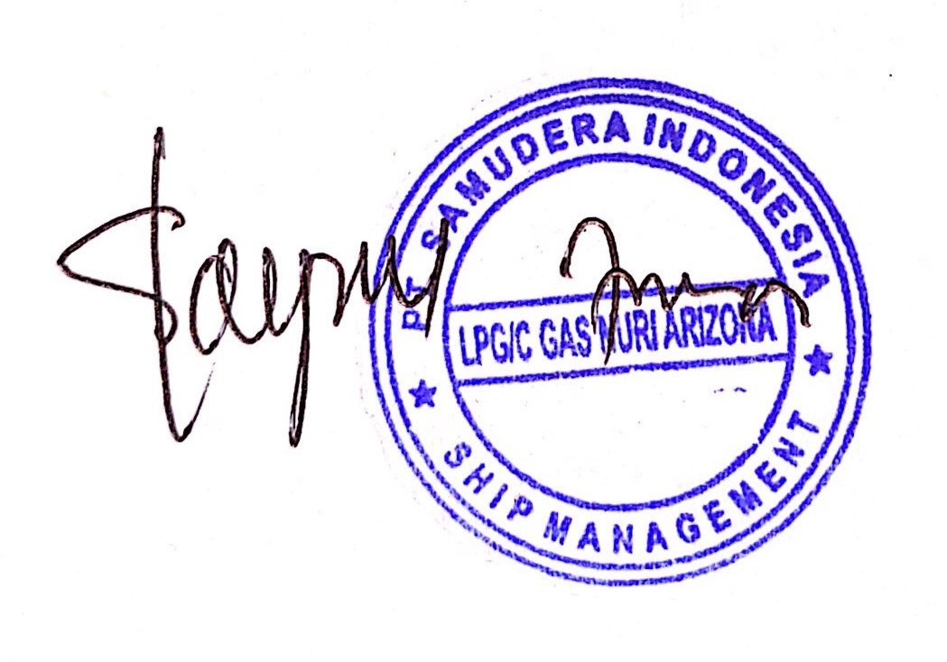
NUMBER OF CREW |  | = 19 PERSONS INCLUDING MASTER

 |  |  |  |  |  |  |  |  |  | Capt. SAEPUL ANWAR
 |  |  |  |  |  |  |  |  |  | Master

